GWPR only
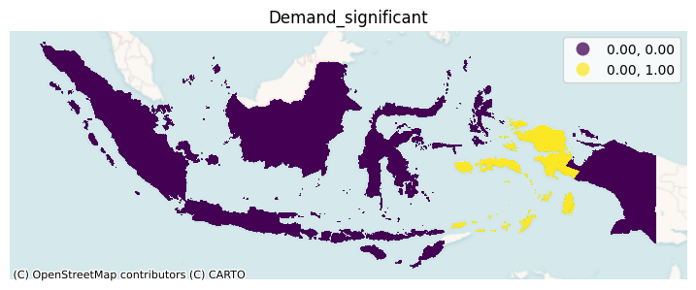
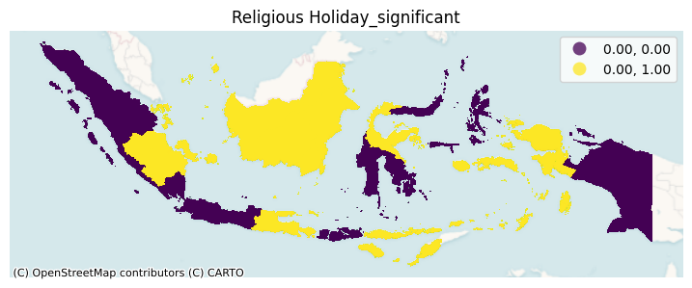
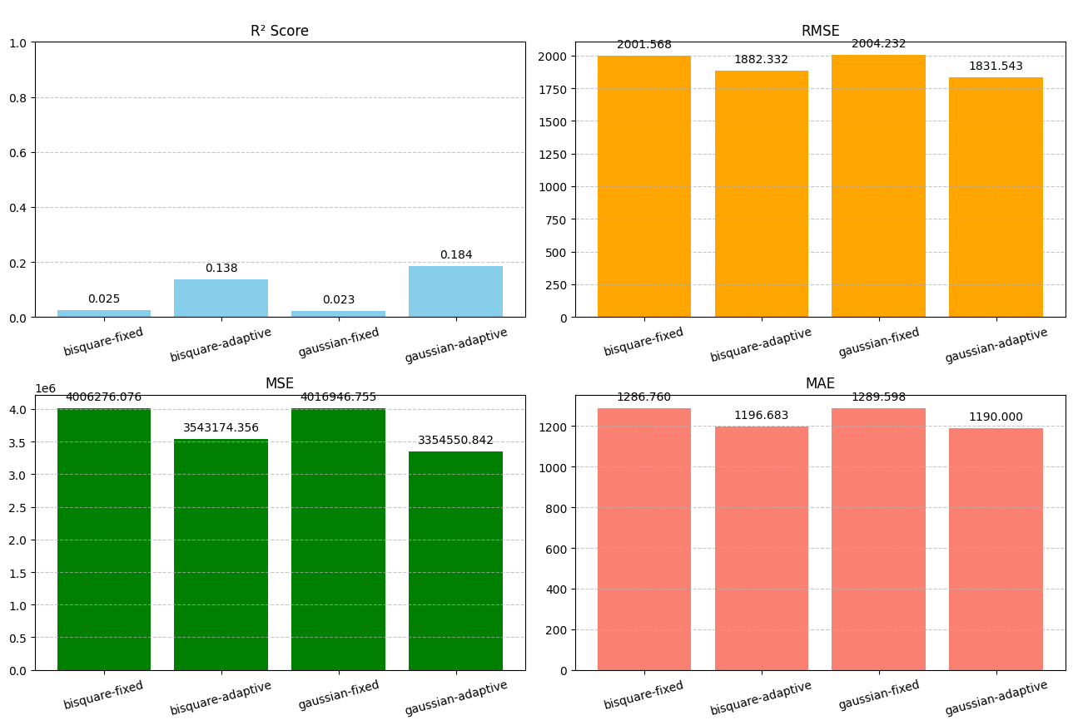
Result: Stand-alone GWPR
Method Model | MSE | MAE | RMSE | Rsquared
Gaussian, adaptive | 3354550.842 | 1190.000 | 1831.543 | 0.184
Gaussian, fixed | 4016946.755 | 1289.598 | 2004.232 | 0.023
Bisquare, adaptive | 3543174.356 | 1196.683 | 1883.332 | 0.138
Bisquare, fixed | 4006276.076 | 1286.76 | 2001.568 | 0.025

Gaussian adaptive better than bisquare | 5.62% | 0.56% | 2.83% | 33.333%

Map with Gaussian Adaptive
Significance of Production to price |  |  |  |  | Significance of Supply to price
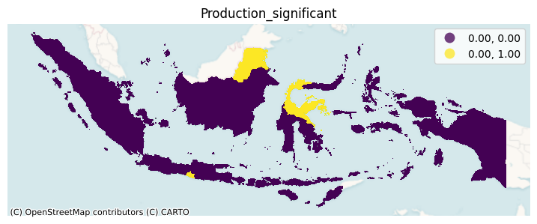
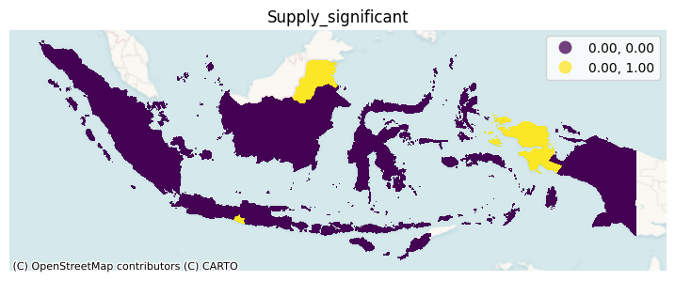

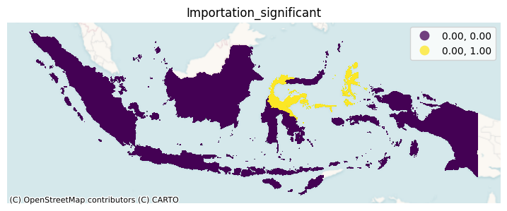
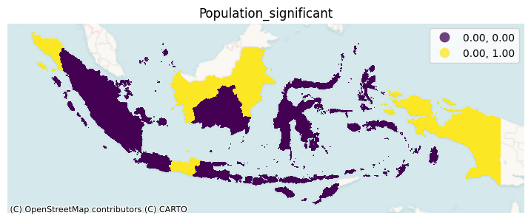
Significance of Importation to price
 |  |  |  |  | Significance of Population to price

Significance of Demand to price |  |  |  |  | Significance of Religious Holyday to price

